Selection page
NEDC (NEFZ)
 | Vehicle Speed
1 | 0
2 | 0
3 | 0
4 | 0
5 | 0
6 | 0
7 | 0
8 | 0
9 | 0
10 | 0
11 | 0
12 | 0
13 | 1.1233332256
14 | 4.8758331438
15 | 8.5833332936
16 | 12.331666599
17 | 15
18 | 15
19 | 15
20 | 15
21 | 15
22 | 15
23 | 15
24 | 15
25 | 14.277777804
26 | 11.750000053
27 | 9.0365200102
28 | 5.7043688011
29 | 2.405
30 | 0
31 | 0
32 | 0
33 | 0
34 | 0
35 | 0
36 | 0
37 | 0
38 | 0
39 | 0
40 | 0
41 | 0
42 | 0
43 | 0
44 | 0
45 | 0
46 | 0
47 | 0
48 | 0
49 | 0
50 | 0
...
Drive Cycle selection

 |  | Unit
Standard | 0
Applicable Area | Europe
Distance | 11020.1 | m
Duration | 1181 | sec.
Average Speed | 33.59 | km/h
Maximum Speed | 120.00 | km/h
Average Acceleration | 0.535 | m/s2
Maximum Acceleration | 1.042 | m/s2
Average Deceleration | 0.764 | m/s2
Maximum Deceleration | 1.390 | m/s2
Description | A "synthetic" drive cycle based on constant accelerations and speeds that is widely used in Europe and contains four short city driving portions and ended with a highway driving portion
NEDC (NEFZ)
 | Acceleration
1 | 0
2 | 0
3 | 0
4 | 0
5 | 0
6 | 0
7 | 0
8 | 0
9 | 0
10 | 0
11 | 0
12 | 0
13 | 0.31203700712
14 | 1.0423610884
15 | 1.0298611527
16 | 1.0412036959
17 | 0.74120372258
18 | 0
19 | 0
20 | 0
21 | 0
22 | 0
23 | 0
24 | 0
25 | -0.20061727659
26 | -0.70216048647
27 | -0.75374445632
28 | -0.92559755809
29 | -0.91649133364
30 | -0.66805555556
31 | 0
32 | 0
33 | 0
34 | 0
35 | 0
36 | 0
37 | 0
38 | 0
39 | 0
40 | 0
41 | 0
42 | 0
43 | 0
44 | 0
45 | 0
46 | 0
47 | 0
48 | 0
49 | 0
50 | 0
...

Technical information
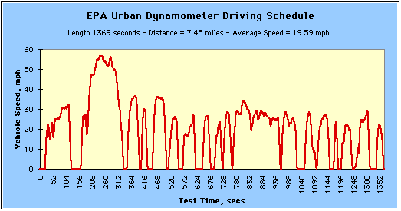
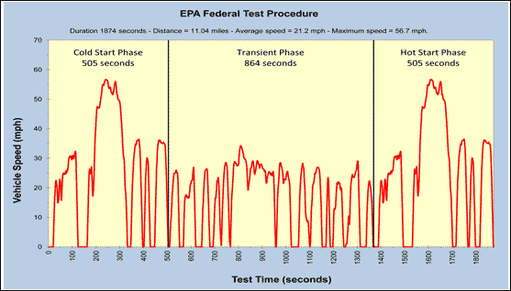
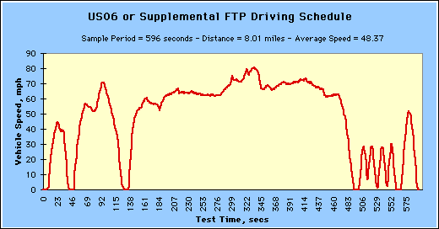
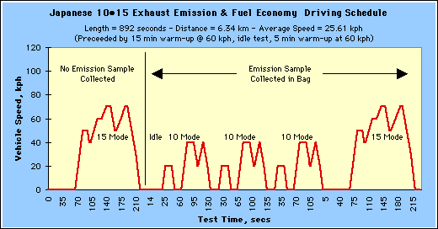
Application
Calculations (acceleration, distance, ect.)

For the USA cycles I used the conversion rate of 1 mile = 1.6093 km and therefore 1 mph = 1.6093 kph
After converting the speed from kph to m/s I calculated the acceleration by subtracting the speed one second previous from the current speed
I calculated the distance traveled in each second using Equation 1)
Then I calculated the displacement for each second by adding the distance traveled in that second to the distances traveled in the previous seconds

Equation 1)

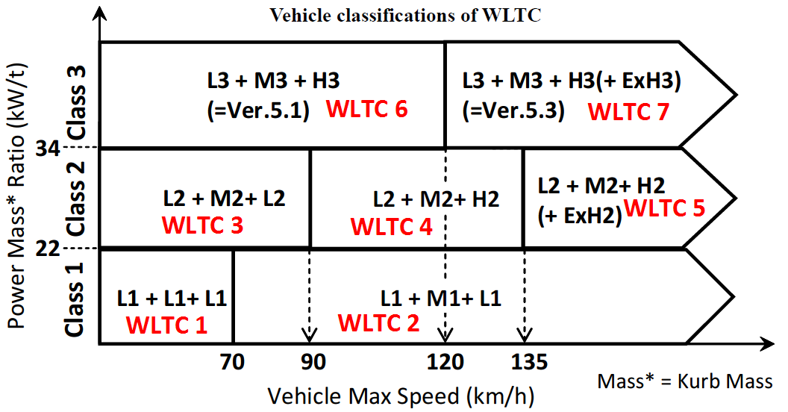

WLTC Classes | Power mass ratio
1 | 22 W/kg or less
2 | more than 22 W/kg and 34 W/kg or less
3 | more than 34 W/kg

